Comparison
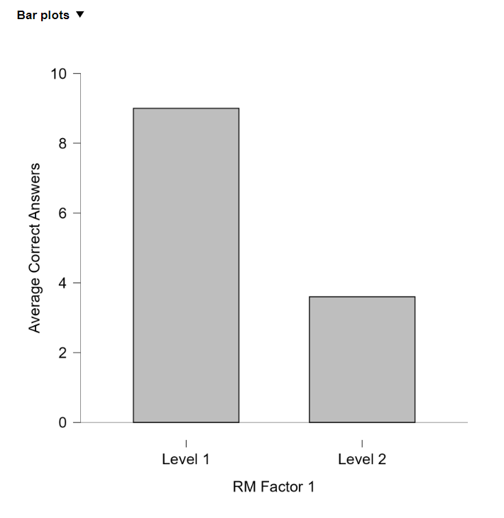
PARTICIPANT | SHORT | LONG
1 | 10 | 5
2 | 7 | 4
3 | 8 | 4
4 | 10 | 3
5 | 10 | 2

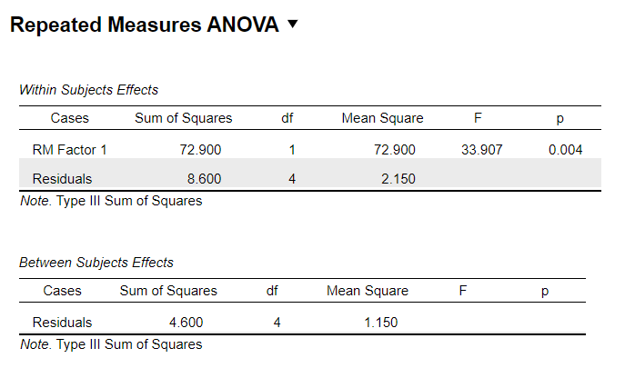

 |  |  | Based on the bar graph provided, the results of the word recall experiment indicate the following:

 |  |  | Level 1 (Short Words): Participants correctly recalled an average of approximately 9 words.
 |  |  | Level 2 (Long Words): Participants correctly recalled an average of about 4 words.

